ESP32 PINOUT
INPUT STATE | OUTPUT STATE | GPIO | INPUT | OUTPUT | Notes | adc | Components
OCUPADO | LIBRE | 0 | Pulled Up | OK | outputs PWM at boot | x |  |  | https://randomnerdtutorials.com/esp32-pinout-reference-gpios/
OCUPADO | LIBRE | 1 | TX pin | OK | debug output at boot |  |  |  | https://diyprojects.io/esp32-gpio-pins-and-associated-functions-i-o-pwm-rtc-i2c-spi-adc-dac/#.YW-lbhrMJOQ
OCUPADO | OCUPADO | 2 | OK | OK | connected to onboard LED | x | TFT SPI DC |  | https://www.youtube.com/watch?v=LY-1DHTxRAk
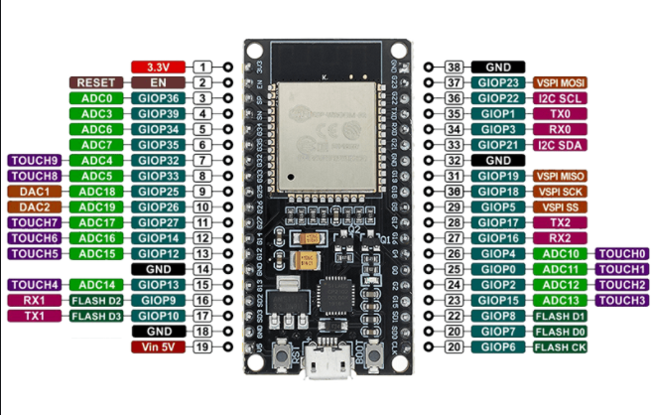
LIBRE | OCUPADO | 3 | OK | RX-pin | HIGH at boot
OCUPADO | OCUPADO | 4 | OK | OK |  | x | TFT RST pin
OCUPADO | OCUPADO | 5 | OK | OK | outputs PWM at boot |  | SD reader CS
OCUPADO | OCUPADO | 6 | x | x | connected to integrated SPI flash
OCUPADO | OCUPADO | 7 | x | x | connected to integrated SPI flash
OCUPADO | OCUPADO | 8 | x | x | connected to integrated SPI flash
OCUPADO | OCUPADO | 9 | x | x | connected to integrated SPI flash
OCUPADO | OCUPADO | 10 | x | x | connected to integrated SPI flash
OCUPADO | OCUPADO | 11 | x | x | connected to integrated SPI flash
LIBRE | LIBRE | 12 | OK | OK | boot fail if pulled high | x
OCUPADO | OCUPADO | 13 | OK | OK |  | x | MAX31856 SCLK
OCUPADO | OCUPADO | 14 | OK | OK | outputs PWM at boot | x | MAX31856 SPI DO
OCUPADO | OCUPADO | 15 | OK | OK | outputs PWM at boot | x | TFT SPI CS
OCUPADO | OCUPADO | 16 | OK | OK |  |  | upPin
OCUPADO | OCUPADO | 17 | OK | OK |  |  | selectPin
OCUPADO | OCUPADO | 18 | OK | OK |  |  | TFT SPI SCLK | SD reader SCLK
OCUPADO | OCUPADO | 19 | OK | OK |  |  | SD reader MISO
OCUPADO | OCUPADO | 21 | OK | OK |  |  | downPin
OCUPADO | OCUPADO | 22 | OK | OK |  |  | Reset button
OCUPADO | OCUPADO | 23 | OK | OK |  |  | TFT SPI MOSI | SD reader MOSI
OCUPADO | OCUPADO | 25 | OK | OK |  | x | Limit Switch
OCUPADO | OCUPADO | 26 | OK | OK |  | x | MAX31856 SPI DI
OCUPADO | OCUPADO | 27 | OK | OK |  | x | Heater Pin
LIBRE | LIBRE | 32 | OK | OK |  | x
OCUPADO | OCUPADO | 33 | OK | OK |  |  | MAX31856 SPI CS
LIBRE | OCUPADO | 34 | OK | x | input only | x
LIBRE | OCUPADO | 35 | OK | x | input only | x
LIBRE | OCUPADO | 36/SP | OK | x | input only | x
LIBRE | OCUPADO | 39/SN | OK | x | input only | x

 | INPUTS RESTANTES | 7
 | OUTPUTS RESTANTES | 4

